1
PHOTO | CODE | NAME | QTY | RRP | WHS
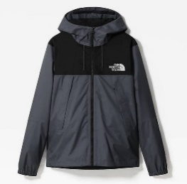 | NF0A2S51174 M | Kurtka The North Face 1990 Mountain Q Jacket NF0A2S51174 | 1.0000 | 142.50 € | 71.25 €
 | NF0A331H411 37 | Kapcie The North Face TB Traction Bootie NF0A331H411 | 1.0000 | 71.00 € | 35.50 €
 | NF0A331H411 38 | Kapcie The North Face TB Traction Bootie NF0A331H411 | 1.0000 | 71.00 € | 35.50 €
 | NF0A331H411 39 | Kapcie The North Face TB Traction Bootie NF0A331H411 | 1.0000 | 71.00 € | 35.50 €
 | NF0A331H411 40 | Kapcie The North Face TB Traction Bootie NF0A331H411 | 1.0000 | 71.00 € | 35.50 €
 | NF0A331H411 41 | Kapcie The North Face TB Traction Bootie NF0A331H411 | 1.0000 | 71.00 € | 35.50 €
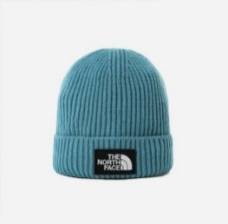 | NF0A3FJX4Y3 | Czapka The North Face Logo Cuffed Bnie NF0A3FJX4Y3 | 6.0000 | 30.50 € | 15.25 €
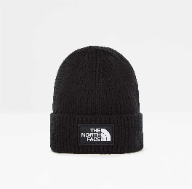 | NF0A3FJXJK31 | Czapka The North Face Logo Box Cuf NF0A3FJXJK31 | 4.0000 | 28.50 € | 14.25 €
 | NF0A3KYJ19S | Plecak The North Face Hot Shot SE NF0A3KYJ19S | 3.0000 | 100.00 € | 50.00 €
 | NF0A3M5GKS7 L | Rękawice The North Face Etip Hardface Glv NF0A3M5GKS7 | 3.0000 | 47.50 € | 23.75 €
 | NF0A3XYD0KZ L | Bluza The North Face M Standard Hoodie NF0A3XYD0KZ | 2.0000 | 66.50 € | 33.25 €
 | NF0A3XYD0KZ M | Bluza The North Face M Standard Hoodie NF0A3XYD0KZ | 2.0000 | 66.50 € | 33.25 €
 | NF0A3XYD0KZ S | Bluza The North Face M Standard Hoodie NF0A3XYD0KZ | 2.0000 | 66.50 € | 33.25 €
 | NF0A3XYD0KZ XL | Bluza The North Face M Standard Hoodie NF0A3XYD0KZ | 1.0000 | 66.50 € | 33.25 €
 | NF0A3XYD0KZ XXL | Bluza The North Face M Standard Hoodie NF0A3XYD0KZ | 1.0000 | 66.50 € | 33.25 €
 | NF0A3Y6KZ74 0-3M | Bluza The North Face INF Cmpshr HDY Moab NF0A3Y6KZ74 | 1.0000 | 59.50 € | 29.75 €
 | NF0A3Y6KZ74 18-24M | Bluza The North Face INF Cmpshr HDY Moab NF0A3Y6KZ74 | 1.0000 | 59.50 € | 29.75 €
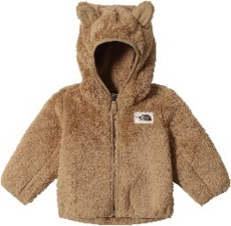 | NF0A3Y6KZ74 6-12M | Bluza The North Face INF Cmpshr HDY Moab NF0A3Y6KZ74 | 2.0000 | 59.50 € | 29.75 €
 | NF0A3Y79R59 3T | Kurtka The North Face Todd Retro Nupste NF0A3Y79R59 | 1.0000 | 142.50 € | 71.25 €
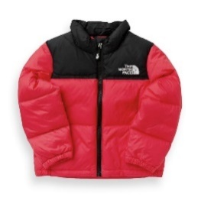 | NF0A3Y79R59 5T | Kurtka The North Face Todd Retro Nupste NF0A3Y79R59 | 2.0000 | 142.50 € | 71.25 €
 | NF0A4CES0H5 M | Koszulka The North Face W Relaxed Sd Tee NF0A4CES0H5 | 2.0000 | 26.00 € | 13.00 €
 | NF0A4CES0H5 S | Koszulka The North Face W Relaxed Sd Tee NF0A4CES0H5 | 2.0000 | 26.00 € | 13.00 €
  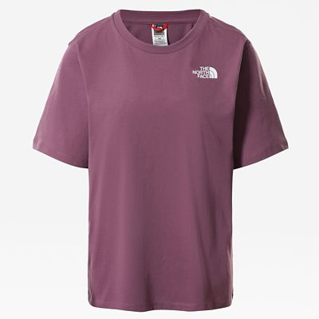 | NF0A4CES0H5 XS | Koszulka The North Face W Relaxed Sd Tee NF0A4CES0H5 | 2.0000 | 26.00 € | 13.00 €
 | NF0A4M6811P XL | Koszulka The North Face M S/S Rust 2 Tee NF0A4M6811P | 1.0000 | 26.00 € | 13.00 €
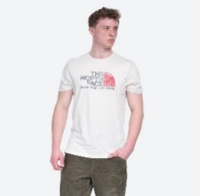 | NF0A4M6811P XXL | Koszulka The North Face M S/S Rust 2 Tee NF0A4M6811P | 1.0000 | 26.00 € | 13.00 €
 | NF0A4M7CUBG S | Bluza The North Face W Standard Hd NF0A4M7CUBG | 1.0000 | 66.50 € | 33.25 €
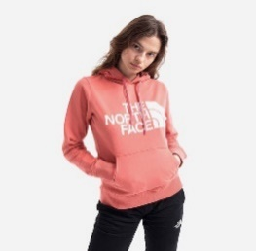 | NF0A4M7CUBG XS | Bluza The North Face W Standard Hd NF0A4M7CUBG | 1.0000 | 66.50 € | 33.25 €
 | NF0A4M7E39U L | Bluza The North Face W Standard Crew NF0A4M7E39U | 1.0000 | 54.50 € | 27.25 €
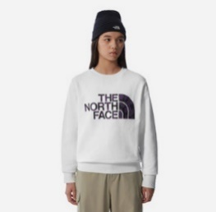 | NF0A4M7E39U XL | Bluza The North Face W Standard Crew NF0A4M7E39U | 1.0000 | 54.50 € | 27.25 €
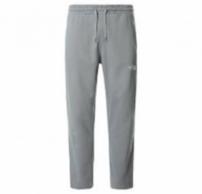
 | NF0A4M7LZDK L | Spodnie The North Face M Standard Pt NF0A4M7LZDK | 2.0000 | 66.50 € | 33.25 €
 | NF0A4M7LZDK M | Spodnie The North Face M Standard Pt NF0A4M7LZDK | 2.0000 | 66.50 € | 33.25 €
 | NF0A4M7LZDK S | Spodnie The North Face M Standard Pt NF0A4M7LZDK | 2.0000 | 66.50 € | 33.25 €
 | NF0A4M7LZDK XL | Spodnie The North Face M Standard Pt NF0A4M7LZDK | 1.0000 | 66.50 € | 33.25 €
 | NF0A4M7LZDK XXL | Spodnie The North Face M Standard Pt NF0A4M7LZDK | 1.0000 | 66.50 € | 33.25 €
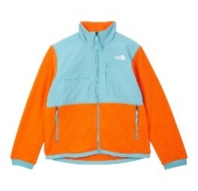
 | NF0A4QYJ1S0 L | Kurtka The North Face Denali 2 NF0A4QYJ1S0 | 2.0000 | 140.00 € | 70.00 €
 | NF0A4QYJ1S0 M | Kurtka The North Face Denali 2 NF0A4QYJ1S0 | 2.0000 | 140.00 € | 70.00 €
 | NF0A4QYJ1S0 S | Kurtka The North Face Denali 2 NF0A4QYJ1S0 | 1.0000 | 140.00 € | 70.00 €
 | NF0A4QYJ1S0 XL | Kurtka The North Face Denali 2 NF0A4QYJ1S0 | 2.0000 | 140.00 € | 70.00 €
 | NF0A4QYJ1S0 XXL | Kurtka The North Face Denali 2 NF0A4QYJ1S0 | 1.0000 | 140.00 € | 70.00 €
 | NF0A4QYJJK3 L | Kurtka The North Face Denail 2 Jacket NF0A4QYJJK3 | 2.0000 | 142.50 € | 71.25 €
 | NF0A4QYJJK3 M | Kurtka The North Face Denail 2 Jacket NF0A4QYJJK3 | 11.0000 | 142.50 € | 71.25 €
 | NF0A4QYJJK3 S | Kurtka The North Face Denail 2 Jacket NF0A4QYJJK3 | 2.0000 | 142.50 € | 71.25 €
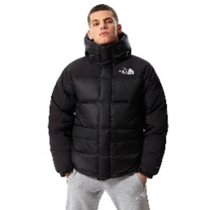 | NF0A4QYJJK3 XL | Kurtka The North Face Denail 2 Jacket NF0A4QYJJK3 | 2.0000 | 142.50 € | 71.25 €
 | NF0A4QYZJK3 M | Kurtka The North Face M Hmlyn Ins Jkt NF0A4QYZJK3 | 2.0000 | 214.00 € | 107.00 €
 | NF0A4QYZJK3 S | Kurtka The North Face M Hmlyn Ins Jkt NF0A4QYZJK3 | 8.0000 | 214.00 € | 107.00 €
 | NF0A4QYZJK3 XS | Kurtka The North Face M Hmlyn Ins Jkt NF0A4QYZJK3 | 2.0000 | 214.00 € | 107.00 €
 | NF0A4QZ4JK3 L | Kamizelka The North Face M Hmlyn Synth Vest NF0A4QZ4JK3 | 1.0000 | 142.50 € | 71.25 €
 | NF0A4QZ4JK3 S | Kamizelka The North Face M Hmlyn Synth Vest NF0A4QZ4JK3 | 1.0000 | 142.50 € | 71.25 €
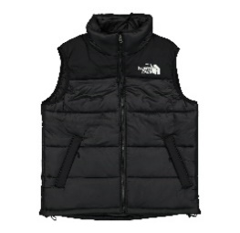 | NF0A4QZ4JK3 XS | Kamizelka The North Face M Hmlyn Synth Vest NF0A4QZ4JK3 | 2.0000 | 142.50 € | 71.25 €
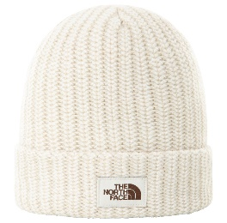 | NF0A4SHO1X8 | Czapka The North Face W Salty Bae NF0A4SHO1X8 | 3.0000 | 0.00 € | 0.00 €
 | NF0A4SHY2J6 | Czapka The North Face Fair Isle Beanie NF0A4SHY2J6 | 3.0000 | 0.00 € | 0.00 €
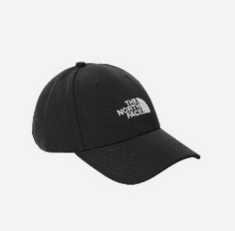 | NF0A4VSVKY4 | Czapka The North Face Recycled 66 Classic Hat NF0A4VSVKY4 | 12.0000 | 0.00 € | 0.00 €
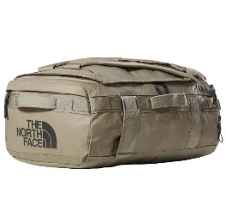 | NF0A52RR14B | Torba The North Face BC Voyager NF0A52RR14B | 3.0000 | 123.50 € | 61.75 €
 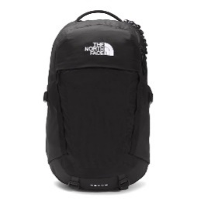 | NF0A52SHKX7 | Plecak The North Face Recon NF0A52SHKX7 | 2.0000 | 107.00 € | 53.50 €
 | NF0A55GFH9D M | Bluza The North Face Scrap Bkl Cali NF0A55GFH9D | 1.0000 | 76.00 € | 38.00 €
 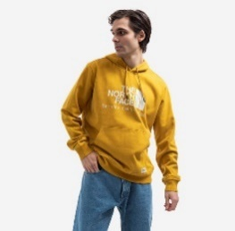 | NF0A55GFH9D XL | Bluza The North Face Scrap Bkl Cali NF0A55GFH9D | 1.0000 | 76.00 € | 38.00 €
 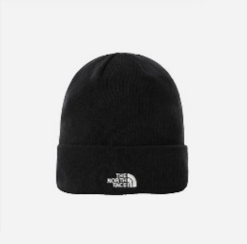 | NF0A5FW1JK3 | Czapka The North Face Norm Beanie NF0A5FW1JK3 | 6.0000 | 28.50 € | 14.25 €
 | NF0A5FWDKS L | Rękawiczki The North Face Gordon Etip Glove NF0A5FWDKS | 3.0000 | 35.50 € | 17.75 €
 | NF0A5FWDKS M | Rękawiczki The North Face Gordon Etip Glove NF0A5FWDKS | 3.0000 | 35.50 € | 17.75 €
 | NF0A5FWDKS XL | Rękawiczki The North Face Gordon Etip Glove NF0A5FWDKS | 3.0000 | 35.50 € | 17.75 €
 | NF0A5G2WR0G 38 | Buty The North Face W B2B III Sport Wp NF0A5G2WR0G | 1.0000 | 154.50 € | 77.25 €
 | NF0A5G2WR0G 38,5 | Buty The North Face W B2B III Sport Wp NF0A5G2WR0G | 1.0000 | 154.50 € | 77.25 €
 | NF0A5G2WR0G 39 | Buty The North Face W B2B III Sport Wp NF0A5G2WR0G | 1.0000 | 154.50 € | 77.25 €
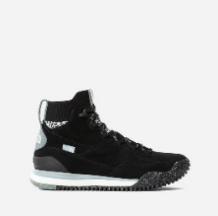 | NF0A5G2WR0G 39,5 | Buty The North Face W B2B III Sport Wp NF0A5G2WR0G | 1.0000 | 154.50 € | 77.25 €
 | NF0A5GMQ17H L | Bluza The North Face GL Hoodie NF0A5GMQ17H | 1.0000 | 130.50 € | 65.25 €
 | NF0A5GMQ17H M | Bluza The North Face GL Hoodie NF0A5GMQ17H | 1.0000 | 130.50 € | 65.25 €
 | NF0A5ICPJK3 M | Bluza The North Face W Coord Crop Hoodie NF0A5ICPJK3 | 1.0000 | 66.50 € | 33.25 €
 | NF0A5ICPJK3 S | Bluza The North Face W Coord Crop Hoodie NF0A5ICPJK3 | 2.0000 | 66.50 € | 33.25 €
 | NF0A5ICPJK3 XS | Bluza The North Face W Coord Crop Hoodie NF0A5ICPJK3 | 1.0000 | 66.50 € | 33.25 €
 | NF0A5ID1RG1 M | Bluza The North Face CS Crew Aviator NF0A5ID1RG1 | 1.0000 | 66.50 € | 33.25 €
 | NF0A5ID1RG1 S | Bluza The North Face CS Crew Aviator NF0A5ID1RG1 | 1.0000 | 66.50 € | 33.25 €
 | NF0A5ID1RG1 XXL | Bluza The North Face CS Crew Aviator NF0A5ID1RG1 | 1.0000 | 66.50 € | 33.25 €
 | NF0A5IHQBH7 L | Polar The North Face M 100 Glacier Fz NF0A5IHQBH7 | 2.0000 | 71.00 € | 35.50 €
 | NF0A5IHQBH7 M | Polar The North Face M 100 Glacier Fz NF0A5IHQBH7 | 2.0000 | 71.00 € | 35.50 €
 | NF0A5IHQBH7 S | Polar The North Face M 100 Glacier Fz NF0A5IHQBH7 | 1.0000 | 71.00 € | 35.50 €
 | NF0A5IHQBH7 XL | Polar The North Face M 100 Glacier Fz NF0A5IHQBH7 | 1.0000 | 71.00 € | 35.50 €
 | NF0A5IHQJK3 L | Polar The North Face M 100 Glacier Fz NF0A5IHQJK3 | 2.0000 | 71.00 € | 35.50 €
 | NF0A5IHQJK3 M | Polar The North Face M 100 Glacier Fz NF0A5IHQJK3 | 1.0000 | 71.00 € | 35.50 €
 | NF0A5IHQJK3 S | Polar The North Face M 100 Glacier Fz NF0A5IHQJK3 | 1.0000 | 71.00 € | 35.50 €
 | NF0A5IHQJK3 XL | Polar The North Face M 100 Glacier Fz NF0A5IHQJK3 | 1.0000 | 71.00 € | 35.50 €
 | NF0A5IHQJK3 XXL | Polar The North Face M 100 Glacier Fz NF0A5IHQJK3 | 1.0000 | 71.00 € | 35.50 €
 | NF0A5ILWJK3 M | Bluza The North Face New Ls Zumu NF0A5ILWJK3 | 1.0000 | 33.00 € | 16.50 €
 | NF0A7R25FN4 XS | Szorty The North Face Mhysa Qualited Shorts NF0A7R25FN4 | 1.0000 | 59.50 € | 29.75 €
 | T0CG46KY4 L | Bluza The North Face Open Gate T0CG46KY4 | 3.0000 | 64.00 € | 32.00 €
 | T0CG46KY4 M | Bluza The North Face Open Gate T0CG46KY4 | 2.0000 | 64.00 € | 32.00 €
 | T0CG46KY4 S | Bluza The North Face Open Gate T0CG46KY4 | 3.0000 | 64.00 € | 32.00 €
 | T92S51NM9 L | Kurtka The North Face 1990 MNT T92S51NM9 | 1.0000 | 142.50 € | 71.25 €
 | T92S51NM9 M | Kurtka The North Face 1990 MNT T92S51NM9 | 1.0000 | 142.50 € | 71.25 €
 | T92S51NM9 XL | Kurtka The North Face 1990 MNT T92S51NM9 | 1.0000 | 142.50 € | 71.25 €
 | T92ZWUJK3 L | Bluza The North Face Raglan Redbox T92ZWUJK3 | 3.0000 | 66.50 € | 33.25 €
 | T92ZWUJK3 S | Bluza The North Face Raglan Redbox Hoodie T92ZWUJK3 | 2.0000 | 66.50 € | 33.25 €
 | T93FM3KY4 | Czapka The North Face Logo Trucker T93FM3KY4 | 3.0000 | 28.50 € | 14.25 €
 | T93FN3JK3 | Czapka The North Face Logo Box T93FN3JK3 | 9.0000 | 28.50 € | 14.25 €
 | T93L2GJK3 L | Kurtka The North Face Him Ligt Synt Hood T93L2GJK3 | 1.0000 | 178.50 € | 89.25 €
 | T93L2GJK3 M | Kurtka The North Face Him Ligt Synt Hood T93L2GJK3 | 2.0000 | 178.50 € | 89.25 €
 | T93L2GJK3 S | Kurtka The North Face Him Ligt Synt Hood T93L2GJK3 | 2.0000 | 178.50 € | 89.25 €
 | T93L2GJK3 XS | Kurtka The North Face Him Ligt Synt Hood T93L2GJK3 | 1.0000 | 178.50 € | 89.25 €
 | T93OEDJK3 L | Kurtka The North Face Him Ligt Down Hood T93OEDJK3 | 1.0000 | 226.00 € | 113.00 €
 | T93OEDJK3 M | Kurtka The North Face Him Ligt Down Hood T93OEDJK3 | 1.0000 | 226.00 € | 113.00 €
 | T93OEDJK3 XL | Kurtka The North Face Him Ligt Down Hood T93OEDJK3 | 1.0000 | 226.00 € | 113.00 €
 | T93VVKJK3 | Kapelusz The North Face Cypress Bucket T93VVKJK3 | 3.0000 | 59.50 € | 29.75 €
 | T93VVKJK3 L/XL | Kapelusz The North Face Cypress Bucket T93VVKJK3 | 3.0000 | 59.50 € | 29.75 €
 | T9493LJK3 L | Koszulka The North Face M Longsleeve L/S Red Box Tee T9493LJK3 | 1.0000 | 35.50 € | 17.75 €
 | T9493LJK3 M | Koszulka The North Face M Longsleeve L/S Red Box Tee T9493LJK3 | 1.0000 | 35.50 € | 17.75 €
 | T9493LJK3 S | Koszulka The North Face M Longsleeve L/S Red Box Tee T9493LJK3 | 1.0000 | 35.50 € | 17.75 €
 | T9493LJK3 XL | Koszulka The North Face M Longsleeve L/S Red Box Tee T9493LJK3 | 1.0000 | 35.50 € | 17.75 €

